Organisation List evidence
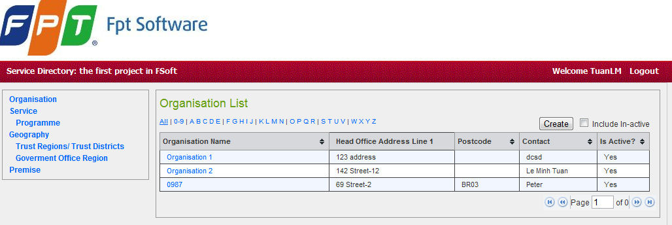
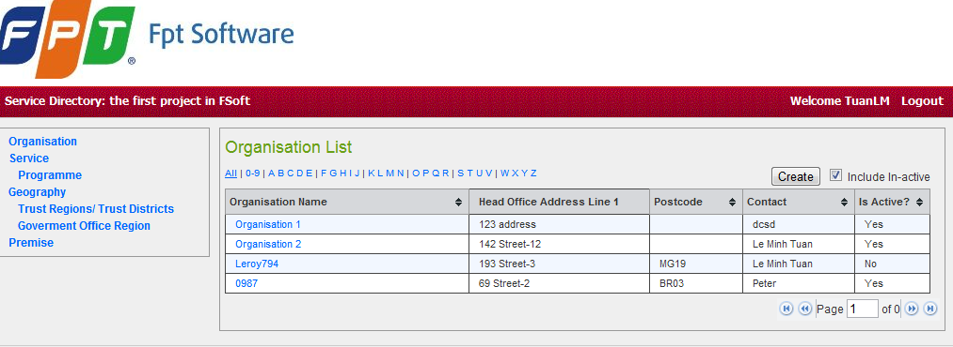







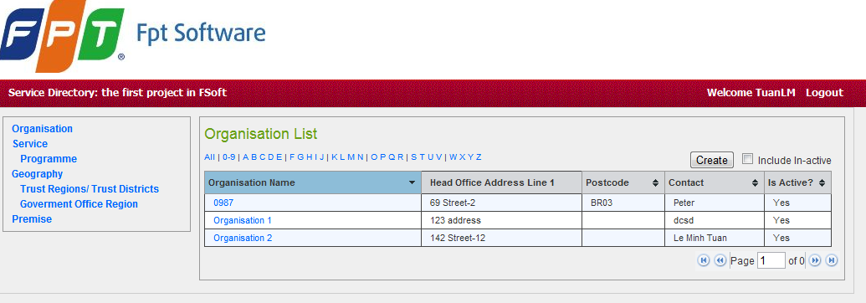

Add Organisation Evidence
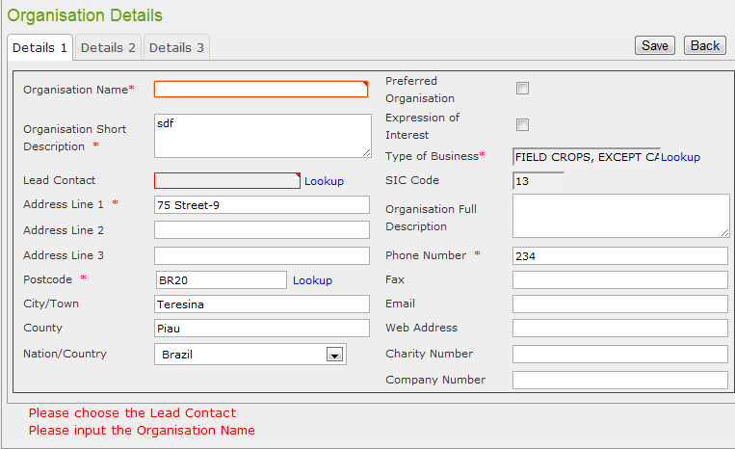

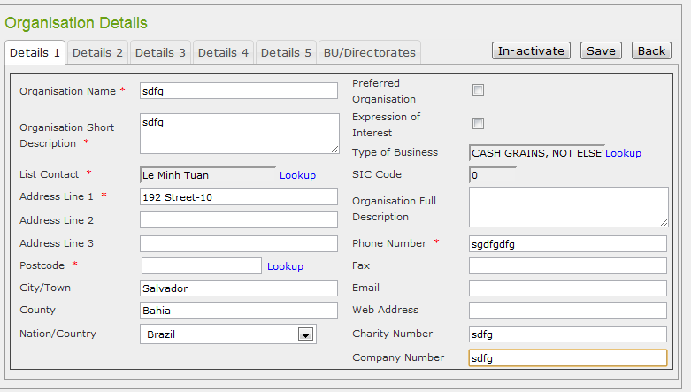

sai phone: phone kiểu chữ
sai charity, company number

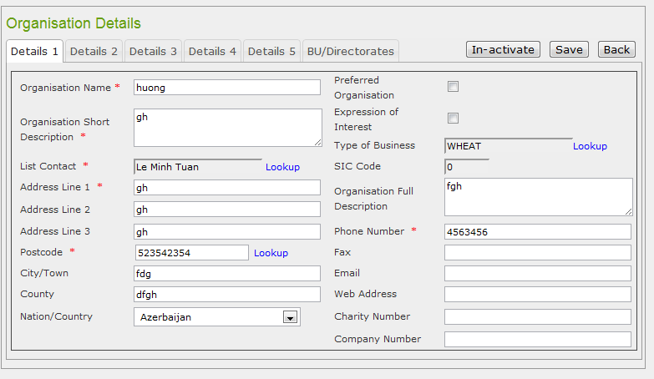

 | Postcode ko có trong csdl nhưng vẫn lưu được

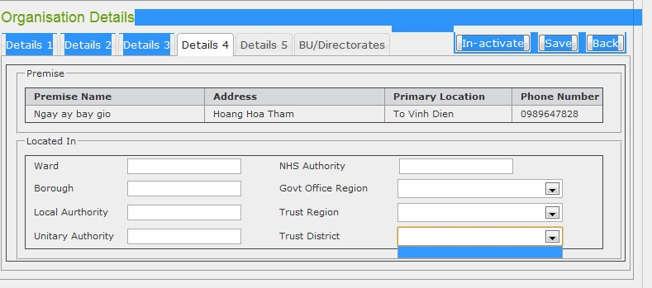

Không load đc Trust Region và District
các textbox phải là read only

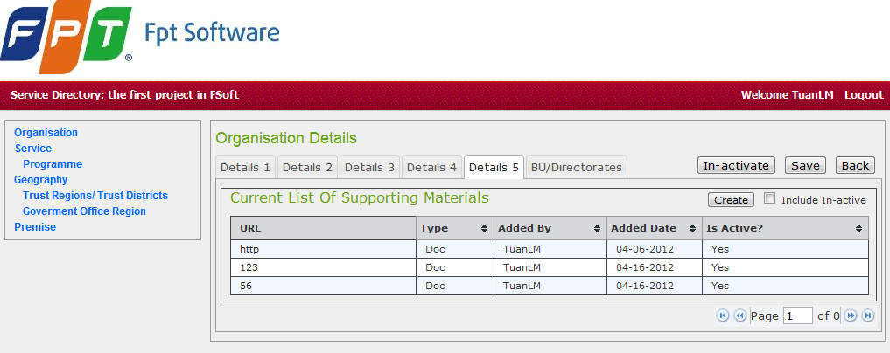

sai tên các cột:
URL | Desciption | Type | Added By | Added Date

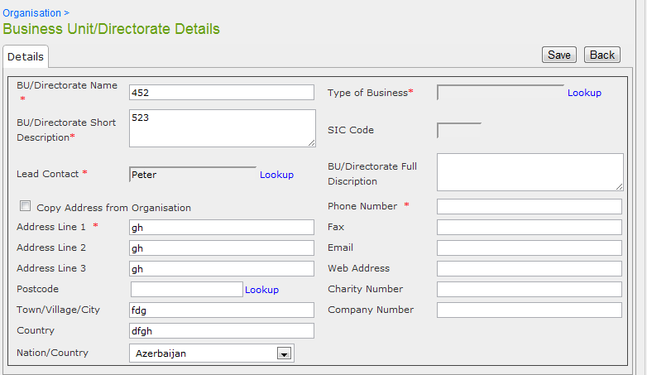

Khi bỏ check ở nút coppy thì phải xóa hết dữ liệu vừa đổ ở address
Chưa có thông báo khi người dùng thay đổi giá trị Address:
Nếu người dùng thay đổi giá trị Address, trong suốt sự xác nhận sau đó khi click vào nút ‘Save’, một thông báo hiện lên (“(“The Address has been changed, do you want to save new Address?”)

Khi thêm mới thì text Added By phải xóa trắng

Add Directoratet Evidence
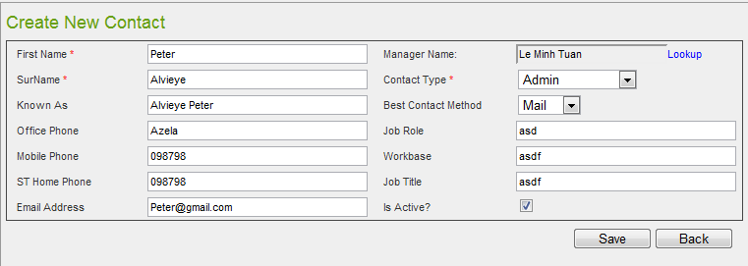
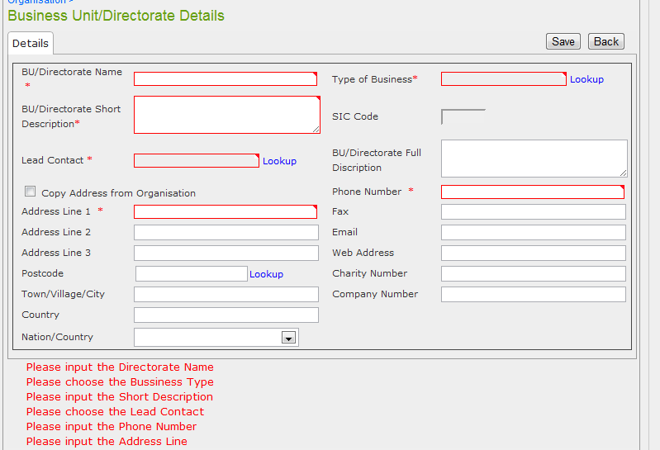

 | · BU/Directorate Name
 | · Type of Business
 | · Address Line 1
 | Postcode

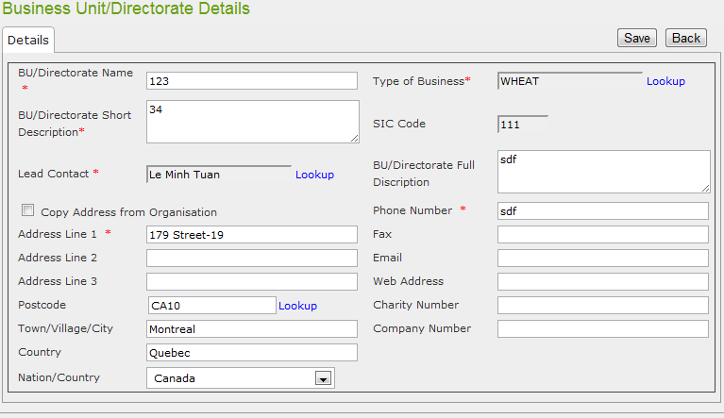

sau khi ấn save vẫn phát sinh lỗi
tuy nhiên vẫn save đc

 |  | khoong sắp xếp đc theo cột
 |  | Head Office Addrees
 |  | Paging sai

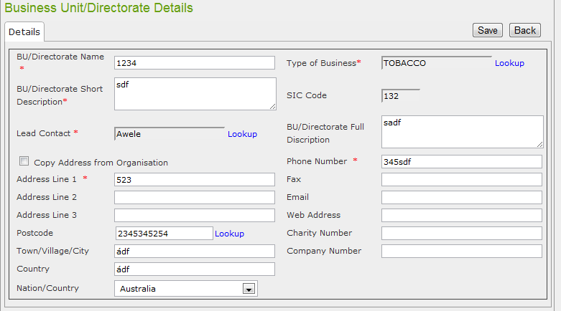

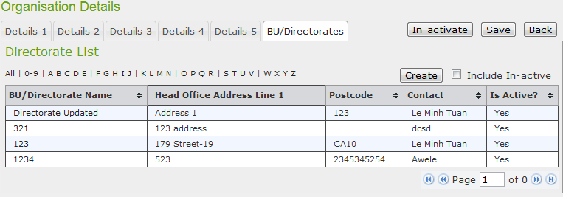

Không kiểm tra lại postcode trong Database
Vẫn Save được.. Tuy nhiên phát sinh lỗi
trước khi save

phone nhập đc cả chữ cả số??

Add Department Evidence
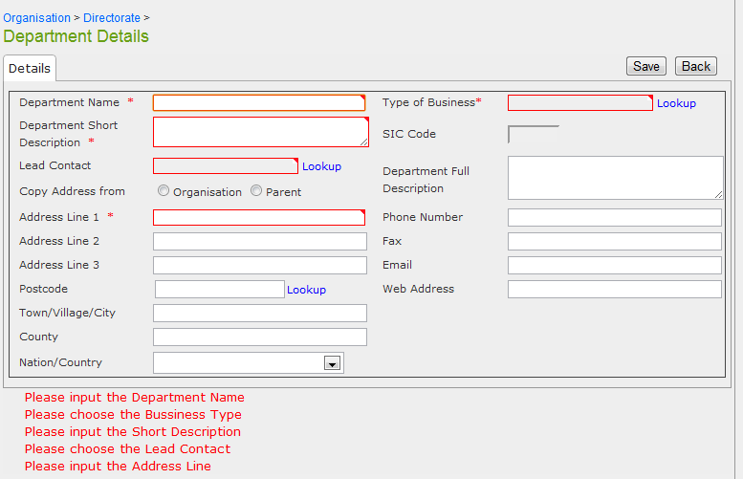

 |  | Mandatory fields should be: Department Name and Short Description.
 |  | Department Name should be unique.

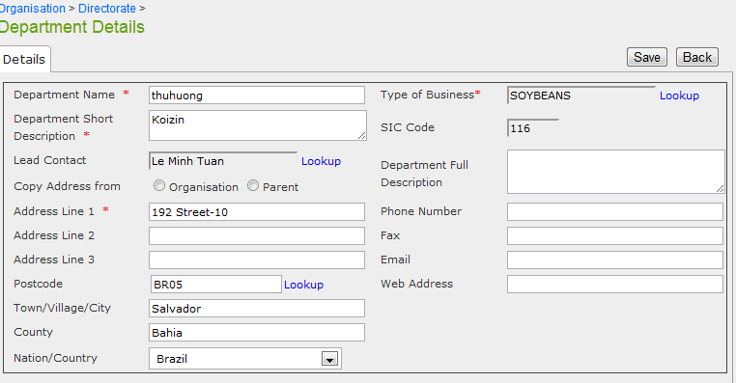

 | Lỗi khi save

 | Nhưng vẫn save

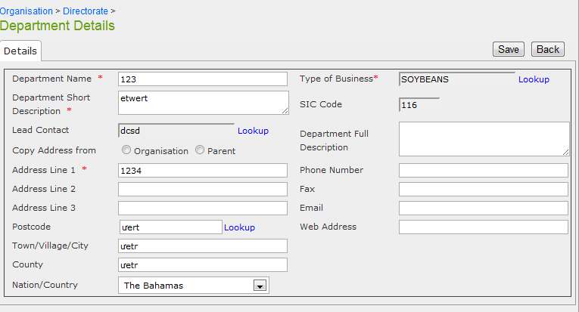

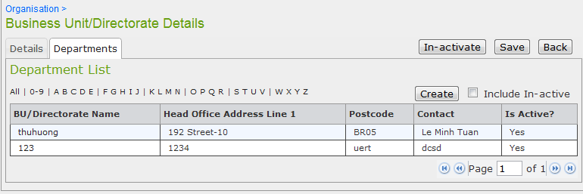

Chưa kiểm tra lại Postcode trong csdl
Vẫn Lưu được dữ liệu

Amend Department Evidence
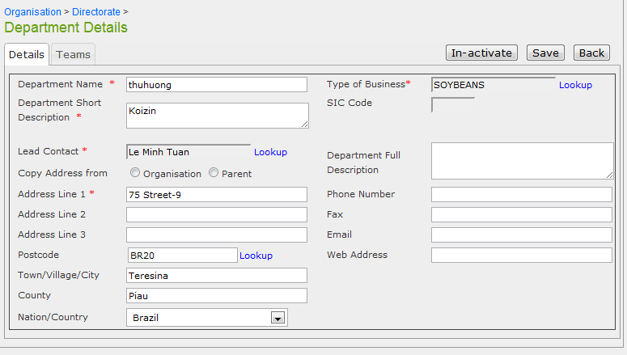

Không đổ lại checkbox Parent trong khi dữ liệu lúc Add là có

Add Team Evidence
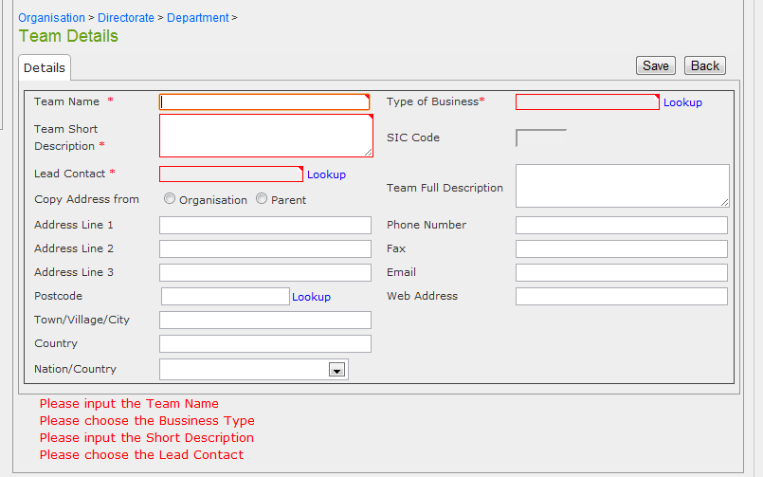

Mandatory fields should be: Team Name. This field also should be unique

Chỉ có trường TeamName là ko được để trống

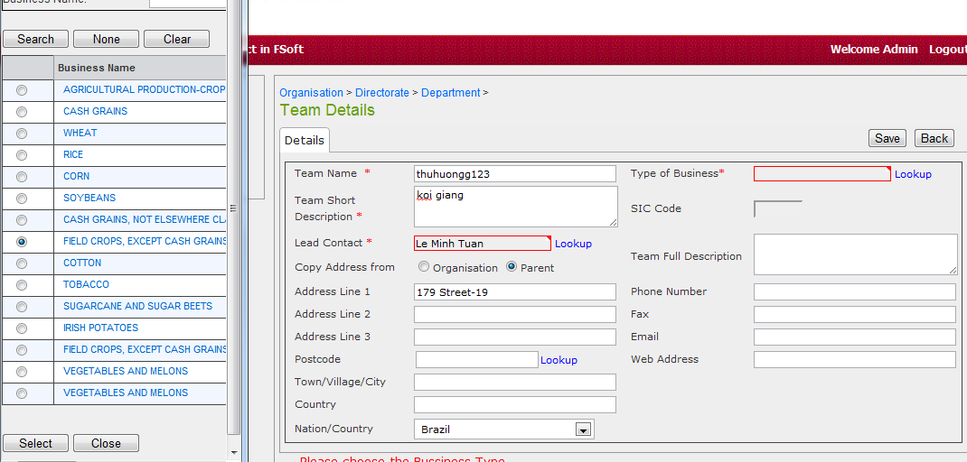

 | Không truyền được dữ liệu từ Type of Bussiness
 | sang form Team Details

Add Permise Evidece
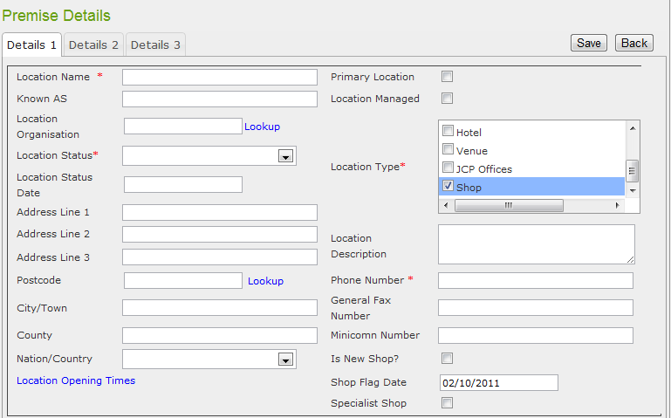
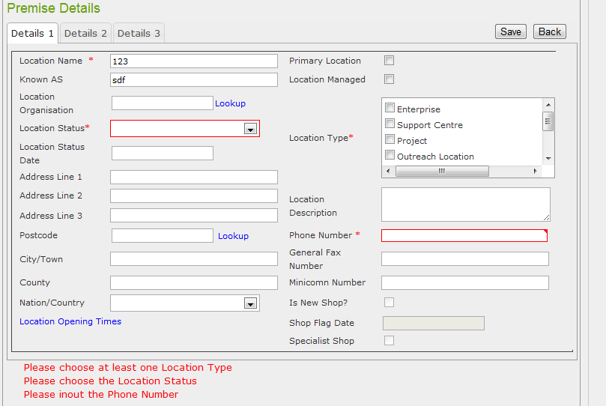

 | Không mở được Location Status Lookup

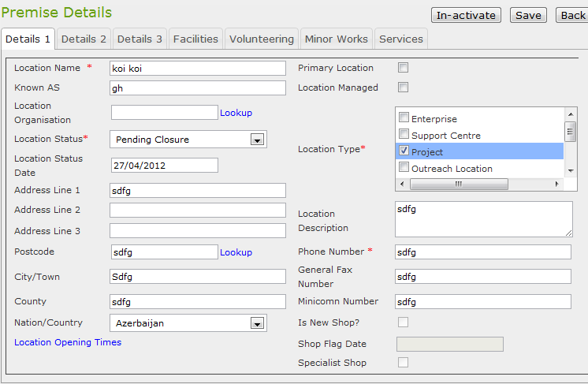

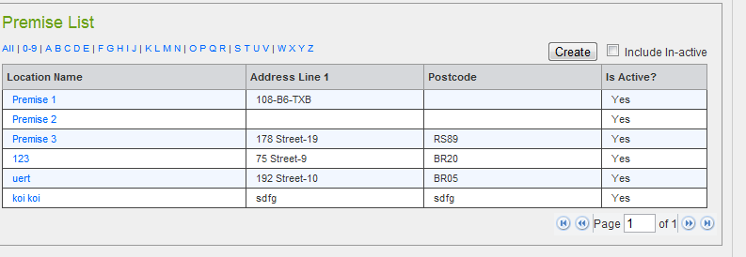

Chưa kiểm tra lại Postcode trong CSDL Vẫn lưu được postcode

Sheet13
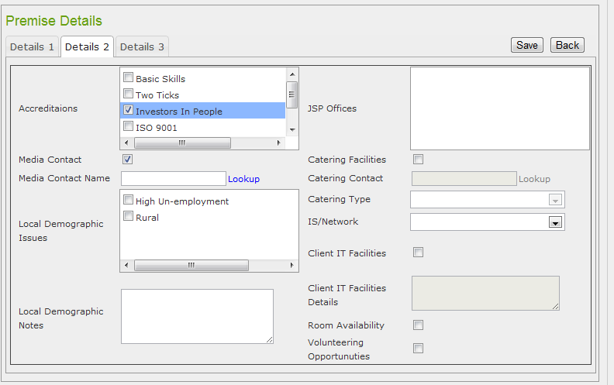

Media Contact Name lookup sẽ hiển thị tất cả contacts trong hệ thống lên 1 popup window. (tham khảo qua Contacts )
khoong loopup dc

